Financing costs estimate
Annex - Unlocking Capital for Climate Adaptation: how financing costs exacerbate needs, and ways to address them in EMDEs
Link to the report

Estimating Project 1's financing costs

We estimate Project 1's financing costs based on two scenarios: one using the project's actual financing structure, which comprises 50.4% in grants, and the other using a hypothetical financing structure with no grants.
In the second scenario with no grants, the grants and part of the debt of the first scenario are replaced by equity. Since concessional finance reduces the need for more expensive equity, a decrease in grants implies an increase in the equity share.
In the second scenario, a debt ratio of approximately 40% is assumed, based on an analysis of comparable firms, building on data in EMDEs from Damodaran (source: Costs of Capital by Industry Sector in EMDEs, 2026).

Main data set:

 | (unit) | With grants | Without grants
Total CAPEX | USD millions | 223 | 223
Equity | % | 4% | 60%
Debt | " | 46% | 40%
Grant - international | " | 42% | -
Grant - domestic | " | 9% | -
Cost of equity | " | 13.6% | 13.6%
Cost of debt | " | 7.8% | 7.8%
WACC | " | 4.1% | 11.3%
Loan tenor | years | 13 | 13
Construction period | years | 3 | 3

Data on the financing structure and costs of equity and debt is detailed in the WACC estimation tab.
Data on loan tenor and construction period are based on project documentation (source: Cities Climate Finance Leadership Alliance)

Method and assumptions:

We chose to estimate the project's financing costs over the loan duration (13 years). The loan duration can be divided into two phases: the construction phase (3 years) and the operations phase (10 years).
To estimate the project's total financing costs, we calculate separately:
- the interest on debt during construction
- the equity return requirement during construction
- the interest on debt post-construction, during operations
- the equity return requirement post-construction, during operations

Some of the key assumptions used to calculate the financing costs are:
- CAPEX is drawn linearly over the construction period
- debt and equity are drawn proportionally to their shares
- interest and equity return are calculated annually
- no capital repayment is included during construction
- repayment during operations is made in equal annual instalments of the capital (straight-line amortisation)
- we do not discount costs over time

Results:

Building on the data and method detailed above, we estimate the following financing costs over loan duration, with and without grants (without discounting).

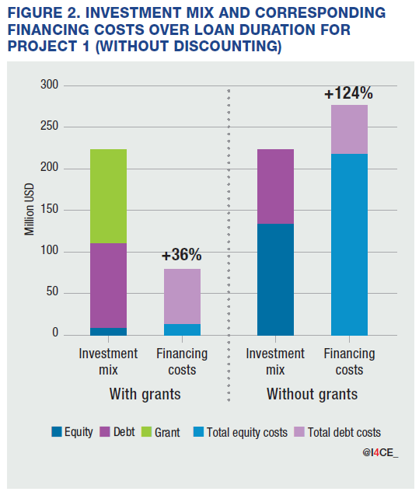
 | (unit) | With grants | Without grants
CAPEX | USD millions | 223 | 223
Total debt cost | " | 66.5 | 58.7
Total equity cost | " | 13.1 | 217.3
Total financing costs | " | 79.5 | 276.0
Financing costs/CAPEX | % | 36% | 124%

